ZeroOneKnapsack
int[] profits = { 31, 26, 72, 17 }; |  | P1 | P2 | P3 | P4
int[] weights = { 3, 1, 5, 2 }; |  | 31 | 26 | 72 | 17
capacity = 7 |  | W1 | W2 | W3 | W4
ans : 98 |  | 3 | 1 | 5 | 2

 | Top-Down |  |  |  |  |  |  |  |  |  | Bottom-Up
 |  | C0 | C1 | C2 | C3 | C4 | C5 | C6 | C7 |  |  | ?
 | P1 | 0 | N | N | N | N | N | N | N
 | P2 | 0 | N | N | N | N | N | N | N
 | P3 | 0 | N | N | N | N | N | N | N
 | P4 | 0 | N | N | N | N | N | N | N

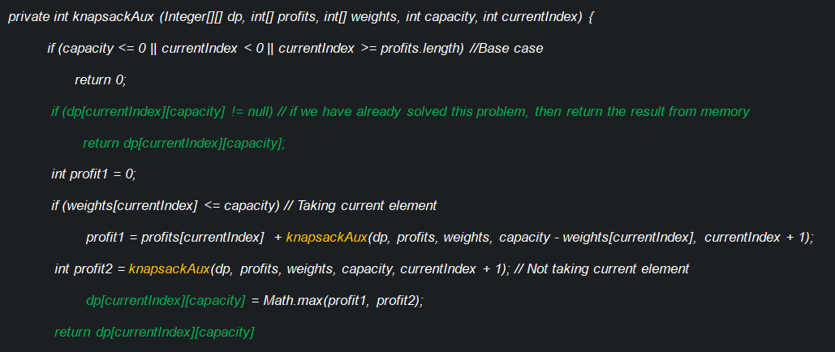
 |  | C0 | C1 | C2 | C3 | C4 | C5 | C6 | C7
 | P1 | 0 | N | N | N | N | N | N | Max((P1+P2C4),P2C7) | P2C4 ?
 | P2 | 0 | N | N | N | N | N | N | N | CurrentIndex+1
 | P3 | 0 | N | N | N | N | N | N | N | Capacity = 7 - P1's Capacity
 | P4 | 0 | N | N | N | N | N | N | N

 |  | C0 | C1 | C2 | C3 | C4 | C5 | C6 | C7
 | P1 | 0 | N | N | N | N | N | N | Max((31+P2C4),P2C7)
 | P2 | 0 | N | N | N | N | N | N | N
 | P3 | 0 | N | N | N | N | N | N | N
 | P4 | 0 | N | N | N | N | N | N | N

 |  | C0 | C1 | C2 | C3 | C4 | C5 | C6 | C7
 | P1 | 0 | N | N | N | N | N | N | Max((31+P2C4),P2C7)
 | P2 | 0 | N | N | N | Max((P2+P3C3),P3C4) | N | N | N
 | P3 | 0 | N | N | N | N | N | N | N
 | P4 | 0 | N | N | N | N | N | N | N

 |  | C0 | C1 | C2 | C3 | C4 | C5 | C6 | C7
 | P1 | 0 | N | N | N | N | N | N | Max((31+P2C4),P2C7)
 | P2 | 0 | N | N | N | Max((26+P3C3),P3C4) | N | N | N
 | P3 | 0 | N | N | N | N | N | N | N
 | P4 | 0 | N | N | N | N | N | N | N

 |  | C0 | C1 | C2 | C3 | C4 | C5 | C6 | C7
 | P1 | 0 | N | N | N | N | N | N | Max((P1+P2C4),P2C7)
 | P2 | 0 | N | N | N | Max((P2+P3C3),P3C4) | N | N | N
 | P3 | 0 | N | N | Max((0+0),P4C3) | N | N | N | N
 | P4 | 0 | N | N | N | N | N | N | N

 |  | C0 | C1 | C2 | C3 | C4 | C5 | C6 | C7
 | P1 | 0 | N | N | N | N | N | N | Max((P1+P2C4),P2C7)
 | P2 | 0 | N | N | N | Max((P2+P3C3),P3C4) | N | N | N
 | P3 | 0 | N | N | Max((0+0),P4C3) | N | N | N | N
 | P4 | 0 | N | N | Max((0+0),0) | N | N | N | N

 |  | C0 | C1 | C2 | C3 | C4 | C5 | C6 | C7
 | P1 | 0 | N | N | N | N | N | N | Max((P1+P2C4),P2C7)
 | P2 | 0 | N | N | N | Max((P2+P3C3),P3C4) | N | N | N
 | P3 | 0 | N | N | Max((0+0),P4C3) | N | N | N | N
 | P4 | 0 | N | N | 0 | N | N | N | N

 |  | C0 | C1 | C2 | C3 | C4 | C5 | C6 | C7
 | P1 | 0 | N | N | N | N | N | N | Max((P1+P2C4),P2C7)
 | P2 | 0 | N | N | N | Max((P2+P3C3),P3C4) | N | N | N
 | P3 | 0 | N | N | Max((0+0),0) = 0 | N | N | N | N
 | P4 | 0 | N | N | 0 | N | N | N | N

 |  | C0 | C1 | C2 | C3 | C4 | C5 | C6 | C7
 | P1 | 0 | N | N | N | N | N | N | Max((P1+P2C4),P2C7)
 | P2 | 0 | N | N | N | Max((P2+P3C3),P3C4) | N | N | N
 | P3 | 0 | N | N | 0 | Max((0+0),P4C4) | N | N | N
 | P4 | 0 | N | N | 0 | N | N | N | N

 |  | C0 | C1 | C2 | C3 | C4 | C5 | C6 | C7
 | P1 | 0 | N | N | N | N | N | N | Max((P1+P2C4),P2C7)
 | P2 | 0 | N | N | N | Max((P2+P3C3),P3C4) | N | N | N
 | P3 | 0 | N | N | 0 | Max((0+0),P4C4) | N | N | N
 | P4 | 0 | N | N | 0 | Max((P4+0),0) | N | N | N

 |  | C0 | C1 | C2 | C3 | C4 | C5 | C6 | C7
 | P1 | 0 | N | N | N | N | N | N | Max((P1+P2C4),P2C7)
 | P2 | 0 | N | N | N | Max((P2+P3C3),P3C4) | N | N | N
 | P3 | 0 | N | N | 0 | Max((0+0),P4C4) | N | N | N
 | P4 | 0 | N | N | 0 | 17 | N | N | N

 |  | C0 | C1 | C2 | C3 | C4 | C5 | C6 | C7
 | P1 | 0 | N | N | N | N | N | N | Max((P1+P2C4),P2C7)
 | P2 | 0 | N | N | N | Max((P2+P3C3),P3C4) | N | N | N
 | P3 | 0 | N | N | 0 | Max(0+0, 17) = 17 | N | N | N
 | P4 | 0 | N | N | 0 | 17 | N | N | N

 |  | C0 | C1 | C2 | C3 | C4 | C5 | C6 | C7
 | P1 | 0 | N | N | N | N | N | N | Max((P1+P2C4),P2C7)
 | P2 | 0 | N | N | N | Max((26+0),17) = 26 | N | N | N
 | P3 | 0 | N | N | 0 | 17 | N | N | N
 | P4 | 0 | N | N | 0 | 17 | N | N | N

 |  | C0 | C1 | C2 | C3 | C4 | C5 | C6 | C7
 | P1 | 0 | N | N | N | N | N | N | Max((31+26),P2C7)
 | P2 | 0 | N | N | N | 26 | N | N | Max((P2+P3C6),P3C7)
 | P3 | 0 | N | N | 0 | 17 | N | N | N
 | P4 | 0 | N | N | 0 | 17 | N | N | N

 |  | C0 | C1 | C2 | C3 | C4 | C5 | C6 | C7
 | P1 | 0 | N | N | N | N | N | N | Max((31+26),P2C7)
 | P2 | 0 | N | N | N | 26 | N | N | Max((P2+P3C6),P3C7)
 | P3 | 0 | N | N | 0 | 17 | N | Max((P3+P4C1),P4C6) | N
 | P4 | 0 | N | N | 0 | 17 | N | N | N

 |  | C0 | C1 | C2 | C3 | C4 | C5 | C6 | C7
 | P1 | 0 | N | N | N | N | N | N | Max((31+26),P2C7)
 | P2 | 0 | N | N | N | 26 | N | N | Max((P2+P3C6),P3C7)
 | P3 | 0 | N | N | 0 | 17 | N | Max((P3+P4C1),P4C6) | N
 | P4 | 0 | Max((0+0),0) | N | 0 | 17 | N | N | N

 |  | C0 | C1 | C2 | C3 | C4 | C5 | C6 | C7
 | P1 | 0 | N | N | N | N | N | N | Max((31+26),P2C7)
 | P2 | 0 | N | N | N | 26 | N | N | Max((P2+P3C6),P3C7)
 | P3 | 0 | N | N | 0 | 17 | N | Max((P3+P4C1),P4C6) | N
 | P4 | 0 | 0 | N | 0 | 17 | N | N | N

 |  | C0 | C1 | C2 | C3 | C4 | C5 | C6 | C7
 | P1 | 0 | N | N | N | N | N | N | Max((31+26),P2C7)
 | P2 | 0 | N | N | N | 26 | N | N | Max((P2+P3C6),P3C7)
 | P3 | 0 | N | N | 0 | 17 | N | Max((P3+P4C1),P4C6) | N
 | P4 | 0 | 0 | N | 0 | 17 | N | Max((P4+0),0) | N

 |  | C0 | C1 | C2 | C3 | C4 | C5 | C6 | C7
 | P1 | 0 | N | N | N | N | N | N | Max((31+26),P2C7)
 | P2 | 0 | N | N | N | 26 | N | N | Max((P2+P3C6),P3C7)
 | P3 | 0 | N | N | 0 | 17 | N | Max((P3+P4C1),P4C6) | N
 | P4 | 0 | 0 | N | 0 | 17 | N | 17 | N

 |  | C0 | C1 | C2 | C3 | C4 | C5 | C6 | C7
 | P1 | 0 | N | N | N | N | N | N | Max((31+26),P2C7)
 | P2 | 0 | N | N | N | 26 | N | N | Max((P2+P3C6),P3C7)
 | P3 | 0 | N | N | 0 | 17 | N | Max((72+0),17) | N
 | P4 | 0 | 0 | N | 0 | 17 | N | 17 | N

 |  | C0 | C1 | C2 | C3 | C4 | C5 | C6 | C7
 | P1 | 0 | N | N | N | N | N | N | Max((31+26),P2C7)
 | P2 | 0 | N | N | N | 26 | N | N | Max((P2+P3C6),P3C7)
 | P3 | 0 | N | N | 0 | 17 | N | 72 | N
 | P4 | 0 | 0 | N | 0 | 17 | N | 17 | N

 |  | C0 | C1 | C2 | C3 | C4 | C5 | C6 | C7
 | P1 | 0 | N | N | N | N | N | N | Max((31+26),P2C7)
 | P2 | 0 | N | N | N | 26 | N | N | Max((26+72),P3C7)
 | P3 | 0 | N | N | 0 | 17 | N | 72 | N
 | P4 | 0 | 0 | N | 0 | 17 | N | 17 | N

 |  | C0 | C1 | C2 | C3 | C4 | C5 | C6 | C7
 | P1 | 0 | N | N | N | N | N | N | Max((31+26),P2C7)
 | P2 | 0 | N | N | N | 26 | N | N | Max((26+72),P3C7)
 | P3 | 0 | N | N | 0 | 17 | N | 72 | Max((P3+P4C2),P4C7)
 | P4 | 0 | 0 | N | 0 | 17 | N | 17 | N

 |  | C0 | C1 | C2 | C3 | C4 | C5 | C6 | C7
 | P1 | 0 | N | N | N | N | N | N | Max((31+26),P2C7)
 | P2 | 0 | N | N | N | 26 | N | N | Max((26+72),P3C7)
 | P3 | 0 | N | N | 0 | 17 | N | 72 | Max((P3+P4C2),P4C7)
 | P4 | 0 | 0 | Max((P4+0),0) | 0 | 17 | N | 17 | N

 |  | C0 | C1 | C2 | C3 | C4 | C5 | C6 | C7
 | P1 | 0 | N | N | N | N | N | N | Max((31+26),P2C7)
 | P2 | 0 | N | N | N | 26 | N | N | Max((26+72),P3C7)
 | P3 | 0 | N | N | 0 | 17 | N | 72 | Max((P3+P4C2),P4C7)
 | P4 | 0 | 0 | 17 | 0 | 17 | N | 17 | N

 |  | C0 | C1 | C2 | C3 | C4 | C5 | C6 | C7
 | P1 | 0 | N | N | N | N | N | N | Max((31+26),P2C7)
 | P2 | 0 | N | N | N | 26 | N | N | Max((26+72),P3C7)
 | P3 | 0 | N | N | 0 | 17 | N | 72 | Max((P3+P4C2),P4C7)
 | P4 | 0 | 0 | 17 | 0 | 17 | N | 17 | Max((P4+0),0)

 |  | C0 | C1 | C2 | C3 | C4 | C5 | C6 | C7
 | P1 | 0 | N | N | N | N | N | N | Max((31+26),P2C7)
 | P2 | 0 | N | N | N | 26 | N | N | Max((26+72),P3C7)
 | P3 | 0 | N | N | 0 | 17 | N | 72 | Max((P3+P4C2),P4C7)
 | P4 | 0 | 0 | 17 | 0 | 17 | N | 17 | 17

 |  | C0 | C1 | C2 | C3 | C4 | C5 | C6 | C7
 | P1 | 0 | N | N | N | N | N | N | Max((31+26),P2C7)
 | P2 | 0 | N | N | N | 26 | N | N | Max((26+72),P3C7)
 | P3 | 0 | N | N | 0 | 17 | N | 72 | Max((72+17),17)
 | P4 | 0 | 0 | 17 | 0 | 17 | N | 17 | 17

 |  | C0 | C1 | C2 | C3 | C4 | C5 | C6 | C7
 | P1 | 0 | N | N | N | N | N | N | Max((31+26),P2C7)
 | P2 | 0 | N | N | N | 26 | N | N | Max((26+72),89)
 | P3 | 0 | N | N | 0 | 17 | N | 72 | 89
 | P4 | 0 | 0 | 17 | 0 | 17 | N | 17 | 17

 |  | C0 | C1 | C2 | C3 | C4 | C5 | C6 | C7
 | P1 | 0 | N | N | N | N | N | N | Max((31+26),98)
 | P2 | 0 | N | N | N | 26 | N | N | 98
 | P3 | 0 | N | N | 0 | 17 | N | 72 | 89
 | P4 | 0 | 0 | 17 | 0 | 17 | N | 17 | 17

 |  | C0 | C1 | C2 | C3 | C4 | C5 | C6 | C7
 | P1 | 0 | N | N | N | N | N | N | 98
 | P2 | 0 | N | N | N | 26 | N | N | 98
 | P3 | 0 | N | N | 0 | 17 | N | 72 | 89
 | P4 | 0 | 0 | 17 | 0 | 17 | N | 17 | 17

LongestCommonSubsequence
HOUDINI | Top-Down
HUIND |  |  | K1 | K2 | K3 | K4 | K5 | K6 | K7 | K8
And: HUIN |  |  | H | O | U | D | I | N | I
 | A1 | H | Max(1+A2K2, A1K2, A2K1) | Max(A1K3, A2K2) | Max(A1K4, A2K3) | Max(A1K5, A2K4) | Max(A1K6, A2K5) | Max(A1K7, A2K6) | Max(A1K8, A2K7) | 0
 | A2 | U | Max(A2K2, A3K1) | Max(A2K3, A3K2) | Max(1+A3K4, A2K4, A3K3) | Max(A2K5, A3K4) | Max(A2K6, A3K5) | Max(A2K7, A3K6) | Max(A2K8, A3K7) | 0
 | A3 | I | Max(A3K2, A4K1) | Max(A3K3, A4K2) | Max(A3K4, A4K3) | Max(A3K5, A4K4) | Max(1+A4K6, A3K6, A4K5) | Max(A3K7, A4K6) | Max(1+A4K8,A3K8, A2K7) | 0
 | A4 | N | Max(A4K2, A5K1) | Max(A4K3, A5K2) | Max(A4K4, A5K3) | Max(A4K5, A5K4) | Max(A4K6, A5K5) | Max(1+A5K7, A4K7, A5K6) | Max(A4K8, A5K7) | 0
 | A5 | D | Max(A5K2, A6K1) | Max(A5K3, A6K2) | Max(A5K4, A6K3) | Max(1+A6K5, A5K5, A6K4) | Max(A5K6, A6K5) | Max(A5K7, A6K6) | Max(A5K8, A6K7) | 0
 | A6 |  | 0 | 0 | 0 | 0 | 0 | 0 | 0 | 0

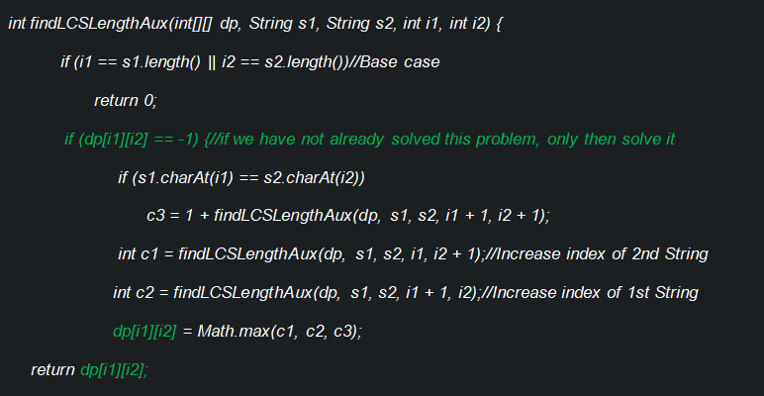

 |  |  | K1 | K2 | K3 | K4 | K5 | K6 | K7 | K8
 |  |  | H | O | U | D | I | N | I
 | A1 | H | 4 | 3 | 3 | 2 | 2 | 1 | 1 | 0
 | A2 | U | 3 | 3 | 3 | 2 | 2 | 1 | 1 | 0
 | A3 | I | 2 | 2 | 2 | 2 | 2 | 1 | 1 | 0
 | A4 | N | 1 | 1 | 1 | 1 | 1 | 1 | 0 | 0
 | A5 | D | 1 | 1 | 1 | 1 | 0 | 0 | 0 | 0
 | A6 |  | 0 | 0 | 0 | 0 | 0 | 0 | 0 | 0

LongestPalindromicSubsequence
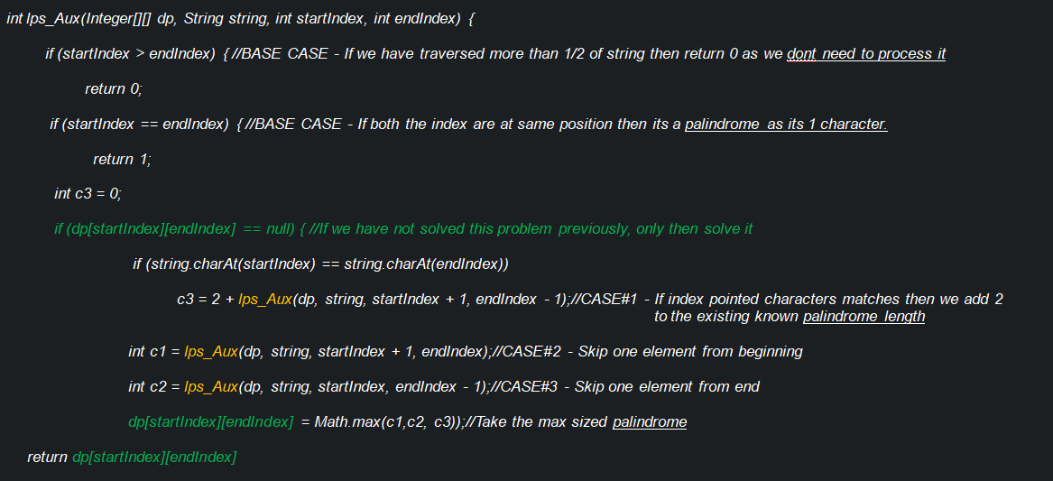
Input: “ELRMENMET“ | Top-Down
Output: 5 |  |  | K1 | K2 | K3 | K4 | K5 | K6 | K7 | K8 | K9
LPS is “ELRMENMET” |  |  | E | L | R | M | E | N | M | E | T
 | A1 | E | 1 | Max(0,A1K1,A2K2) | Max(0,A1K2,A2K3) | Max(0,A1K3,A2K4) | Max(2+A2K4,A1K4,A2K5) | Max(0,A1K5,A2K6) | Max(0,A1K6,A2K7) | Max(2+A2K7,A1K7,A2K8) | Max(0,A1K8,A2K9)
 | A2 | L | 0 | 1 | Max(0,A2K2,A3K3) | Max(0,A2K3,A3K4) | Max(0,A2K4,A3K5) | Max(0,A2K5,A3K6) | Max(0,A2K6,A3K7) | Max(0,A2K7,A3K8) | Max(0,A2K8,A3K9)
 | A3 | R | 0 | 0 | 1 | Max(0,A3K3,A4K4) | Max(0,A3K4,A4K5) | Max(0,A3K5,A4K6) | Max(0,A3K6,A4K7) | Max(0,A3K7,A4K8) | Max(0,A3K8,A4K9)
 | A4 | M | 0 | 0 | 0 | 1 | Max(0,A4K4,A5K5) | Max(0,A4K5,A5K6) | Max(2+A5K6,A4K6,A5K7) | Max(0,A4K7,A5K8) | Max(0,A4K8,A5K9)
 | A5 | E | 0 | 0 | 0 | 0 | 1 | Max(0,A5K5,A6K6) | Max(0,A5K6,A6K7) | Max(2+A6K7,A5K7,A6K8) | Max(0,A5K8,A6K9)
 | A6 | N | 0 | 0 | 0 | 0 | 0 | 1 | Max(0,A6K6,A7K7) | Max(0,A6K7,A7K8) | Max(0,A6K8,A7K9)
 | A7 | M | 0 | 0 | 0 | 0 | 0 | 0 | 1 | Max(0,A7K7,A8K8) | Max(0,A7K8,A8K9)
 | A8 | E | 0 | 0 | 0 | 0 | 0 | 0 | 0 | 1 | Max(0,A8K8,A9K9)
 | A9 | T | 0 | 0 | 0 | 0 | 0 | 0 | 0 | 0 | 1

LongestPalindromicSubstring
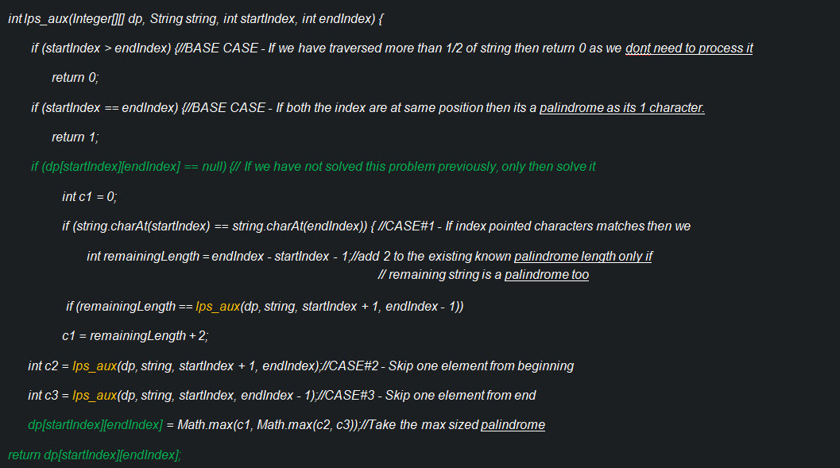
Input: "ABCCBUA" | Top-Down
Output: 4 |  |  | K1 | K2 | K3 | K4 | K5 | K6 | K7
LPS: “ABCCBUA" |  |  | A | B | C | C | B | U | A
 | A1 | A | 1 | Max((0),A1K1,A2K2) | Max((0),A1K2,A2K3) | Max((0),A1K6,A2K4) | Max((0),A1K4,A2K5) | Max((0),A1K5,A2K6) | Max((A2K6==5?A2K6+2:0),A1K6,A2K7)
 | A2 | B | 0 | 1 | Max((0),A2K2,A3K3) | Max((0),A2K3,A3K4) | Max((A3K4==2?A3K4+2:0),A2K4,A3K5) | Max((0),A2K5,A3K6) | Max((0),A2K6,A3K7)
 | A3 | C | 0 | 0 | 1 | Max((A4K3==0?A4K3+2:0),A3K3,A4K4) | Max((0),A3K4,A4K5) | Max((0),A3K5,A4K6) | Max((0),A3K6,A4K7)
 | A4 | C | 0 | 0 | 0 | 1 | Max((0),A4K4,A5K5) | Max((0),A4K5,A5K6) | Max((0),A4K6,A5K7)
 | A5 | B | 0 | 0 | 0 | 0 | 1 | Max((0),A5K5,A6K6) | Max((0),A5K6,A6K7)
 | A6 | U | 0 | 0 | 0 | 0 | 0 | 1 | Max((0),A6K6,A7K7)
 | A7 | A | 0 | 0 | 0 | 0 | 0 | 0 | 1

MinCost
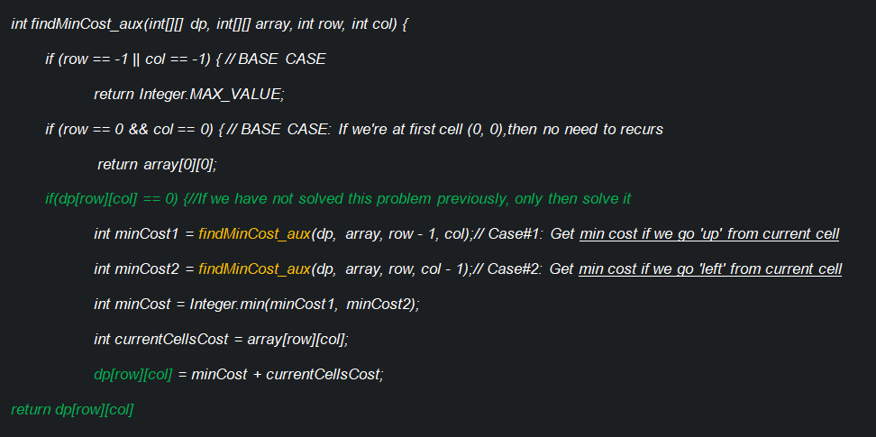
40 | 70 | 80 | 60 | 40 | Top-Down
60 | 70 | 30 | 90 | 20 |  | K1 | K2 | K3 | K4 | K5
30 | 80 | 10 | 20 | 40 | A1 | Min(A0K1, A1K0)+40 | Min(A0K2, A1K1)+70 | Min(A0K3, A1K2)+80 | Min(A0K4, A1K3)+60 | Min(A0K5, A1K4)+40
70 | 10 | 70 | 30 | 70 | A2 | Min(A1K1, A2K0)+60 | Min(A1K2, A2K1)+70 | Min(A1K3, A2K2)+30 | Min(A1K4, A2K3)+90 | Min(A1K5, A2K4)+20
20 | 90 | 80 | 90 | 30 | A3 | Min(A2K1, A3K0)+30 | Min(A2K2, A3K1)+80 | Min(A2K3, A3K2)+60 | Min(A2K4, A3K3)+20 | Min(A2K5, A3K4)+40
 |  |  |  |  | A4 | Min(A3K1, A4K0)+70 | Min(A3K2, A4K1)+10 | Min(A3K3, A4K2)+70 | Min(A3K4, A4K3)+30 | Min(A3K5, A4K4)+70
Min Cost to Reach last cell ? |  |  |  |  | A5 | Min(A4K1, A5K0)+20 | Min(A4K2, A5K1)+90 | Min(A4K3, A5K2)+80 | Min(A4K4, A5K3)+90 | Min(A4K5, A5K4)+30
Ans: 360
 |  |  |  |  |  | K1 | K2 | K3 | K4 | K5
 |  |  |  |  | A1 | Min(A0K1, A1K0)+40 | Min(A0K2, A1K1)+70 | Min(A0K3, A1K2)+80 | Min(A0K4, A1K3)+60 | Min(A0K5, A1K4)+40
 |  |  |  |  | A2 | Min(A1K1, A2K0)+60 | Min(A1K2, A2K1)+70 | Min(A1K3, A2K2)+30 | Min(A1K4, A2K3)+90 | Min(A1K5, A2K4)+20
 |  |  |  |  | A3 | Min(A2K1, A3K0)+30 | Min(A2K2, A3K1)+80 | Min(A2K3, A3K2)+60 | Min(A2K4, A3K3)+20 | Min(A2K5, A3K4)+40
 |  |  |  |  | A4 | Min(A3K1, A4K0)+70 | Min(A3K2, A4K1)+10 | Min(A3K3, A4K2)+70 | Min(A3K4, A4K3)+30 | Min(A3K5, A4K4)+70
 |  |  |  |  | A5 | Min(A4K1, A5K0)+20 | Min(A4K2, A5K1)+90 | Min(A4K3, A5K2)+80 | Min(A4K4, A5K3)+90 | Min(A4K5, A5K4)+30

 |  |  |  |  |  | K1 | K2 | K3 | K4 | K5
 |  |  |  |  | A1 | 40 | 110 | 190 | 250 | 290
 |  |  |  |  | A2 | 100 | 170 | 200 | 290 | 310
 |  |  |  |  | A3 | 130 | 210 | 210 | 230 | 270
 |  |  |  |  | A4 | 200 | 210 | 280 | 260 | 330
 |  |  |  |  | A5 | 220 | 300 | 360 | 350 | 360

NumberOfPaths
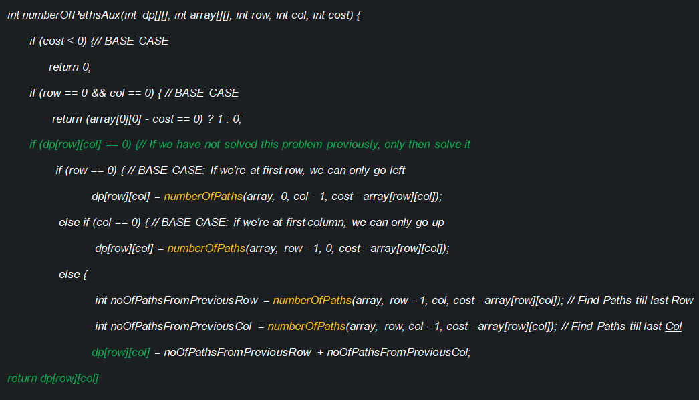
4 | 7 | 1 | 6 | Top-Down
5 | 7 | 3 | 9 |  | K1 | K2 | K3 | K4
3 | 2 | 1 | 2 | A1 | 0 | 0 | 0 | 0
7 | 1 | 6 | 3 | A2 | 0 | 0 | 0 | 0
 |  |  |  | A3 | 0 | 0 | 0 | 0
Total Cost - 25 |  |  |  | A4 | 0 | 0 | 0 | 0
Paths ?
Ans: 2 |  |  |  |  | K1 | K2 | K3 | K4
 |  |  |  | A1 | ? | A1K1 | A1K2 | A1K3
 |  |  |  | A2 | A1K1 | A1K2+A2K1 | A1K3+A2K2 | A1K4+A2K3
 |  |  |  | A3 | A2K1 | A2K2+A3K1 | A2K3+A3K2 | A2K4+A3K3
 |  |  |  | A4 | A3K1 | A3K2+A4K1 | A3K3+A4K2 | A3K4+A4K3

 |  |  |  |  | K1 | K2 | K3 | K4 | K5
 |  |  |  | A1 | Down{0,5,5,9,1,1,5,0,4,-4}, Right{-1,-1,3,-2,2,-6,4,8,0,-3}(4) | Down{6,6,10,5,9,1},Right{11,15,7,4}(7) | Down{12,16,8}, Right{5}(1) | Down{11}, Right{}(6) | null
 |  |  |  | A2 | Down{5,10,10,14}, Right{6,6,10,5,9,1}(5) | Down{13,13,17}, Right{12,16,8}(7) | Down{15,19}, Right{11}(3) | Down{20}, Right{}(9) | null
 |  |  |  | A3 | Down{8}, Right{13,13,17}(3) | Down{15}, Right{15,19}(2) | Down{16}, Right{20}(1) | Down{22}, Right{}(2) | null
 |  |  |  | A4 | Down{}, Right{15}(7) | Down{}, Right{16}(1) | Down{}, Right{22}(6) | Down{25}(3) | null
 |  |  |  | A5 | null | null | null | null | null

 |  |  |  |  | "Down" means > We need to reach current cell(from start) in numbers as mentioned in {}, to satisfy the immediate below cell
 |  |  |  |  | "Right" means > We need to reach current cell(from start) in numbers as mentioned in {}, to satisfy the immediate right cell

 |  |  |  |  | Learning: Writing Bottom Up Solution is not easy always.

 |  |  |  |  | Down{0,5,5,9,1,1,5,0,4,-4}, Right{-1,-1,3,-2,2,-6,4,8,0,-3}(4) | Down{6,6,10,5,9,1},Right{11,15,7,4}(7) | Down{12,16,8}, Right{5}(1) | Down{11}, Right{}(6)
 |  |  |  |  | Down{5,10,10,14}, Right{6,6,10,5,9,1}(5) | Down{13,13,17}, Right{12,16,8}(7) | Down{15,19}, Right{11}(3) | Down{20}, Right{}(9)
 |  |  |  |  | Down{8}, Right{13,13,17}(3) | Down{15}, Right{15,19}(2) | Down{16}, Right{20}(1) | Down{22}, Right{}(2)
 |  |  |  |  | Down{}, Right{15}(7) | Down{}, Right{16}(1) | Down{}, Right{22}(6) | Down{25}(3)

 |  |  |  |  | Down{0,5,5,9,1,1,5,0,4,-4}, Right{-1,-1,3,-2,2,-6,4,8,0,-3}(4) | Down{6,6,10,5,9,1},Right{11,15,7,4}(7) | Down{12,16,8}, Right{5}(1) | Down{11}, Right{}(6)
 |  |  |  |  | Down{5,10,10,14}, Right{6,6,10,5,9,1}(5) | Down{13,13,17}, Right{12,16,8}(7) | Down{15,19}, Right{11}(3) | Down{20}, Right{}(9)
 |  |  |  |  | Down{8}, Right{13,13,17}(3) | Down{15}, Right{15,19}(2) | Down{16}, Right{20}(1) | Down{22}, Right{}(2)
 |  |  |  |  | Down{}, Right{15}(7) | Down{}, Right{16}(1) | Down{}, Right{22}(6) | Down{25}(3)

